Warp Level
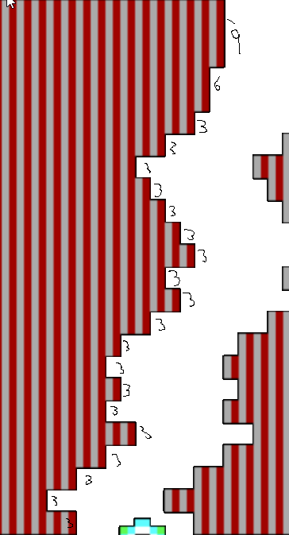
Y Steps |  | X steps
9 |  | 0
6 |  | 2
3 |  | 4
3
3
3
3
3
3
3
3
3
3
3
3
3
3
3
3
3
3
72 | Pixel

